Sample
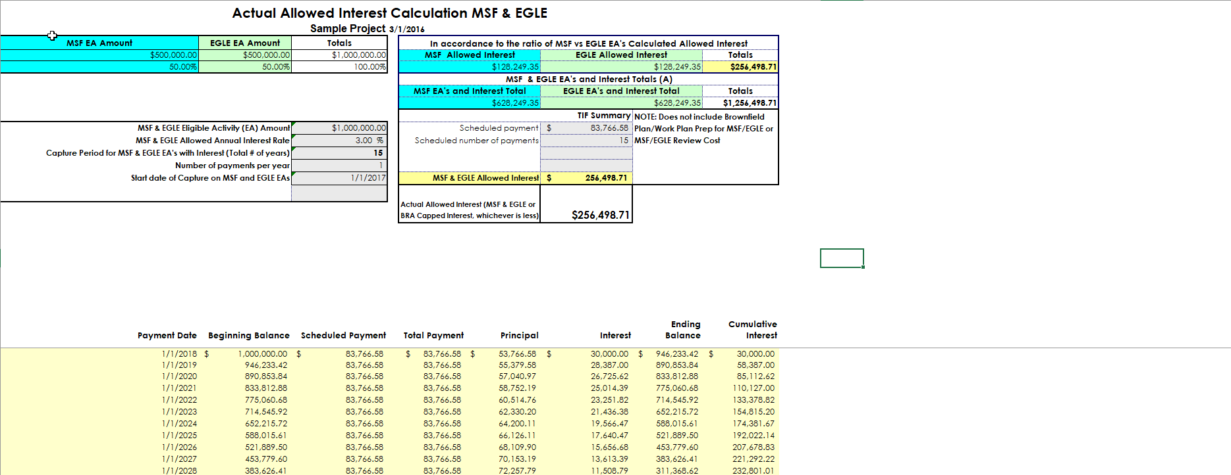
Project Name | Sample Project
Current Date (as of x/xx/20xx) | as of 3/1/2016
MSF Principal Eligible Activities Amount | $500,000
EGLE Principal Eligible Activities Amount | $500,000
Interest % | 3.00%
Number of years to pay off EA | 15
1st year of tax capture (1/1/20XX) | 2017-01-01
Is Interest Capped? Y/N | Y
If Yes, Interest Cap Amt, If No enter $10,000,000 | $10,000,000

